Penny Test Module
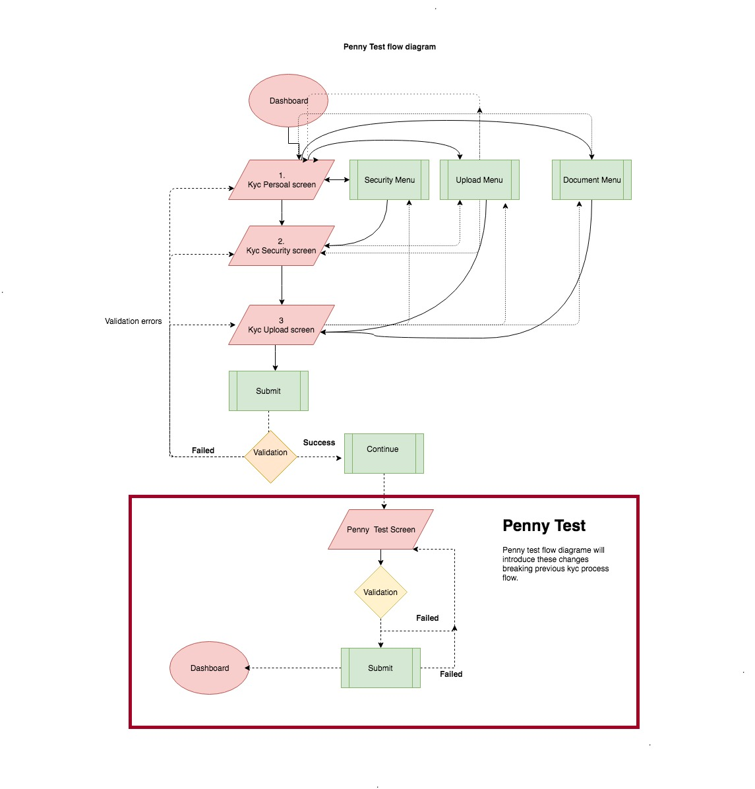
Penny Test Module
S/No | Activity | Details | Start | End
1 | Planning | Penny test flow planning in the mobile application | 2018-11-15 | 2018-11-16
 |  | API Endpoint (Request/Response Json) planing for penny test operation
2 | Development | Design and develop UI Form to perform Penny test | 2018-11-17 | 2018-11-21
 |  | Integrate the Penny test form to existing KYC registration module without breaking the flow. So that the penny test is performed just prior to performing KYC form submission.
 |  | Create Network Layer for penny test to perform api integration with server
 |  | Network Layer developed to carryout the following operation - Submiting form data for penny test - if error show error else submit kyc form - handle kyc form submit or error
3 | Testing (White Box Testing by Developers) | Created mocked test for following api - Penny test submit apii UI/UX testing Validation Testing Penny test integration testing with existing flow | 2018-11-22 | 2018-11-23

Kyc Submit Process before Penny test

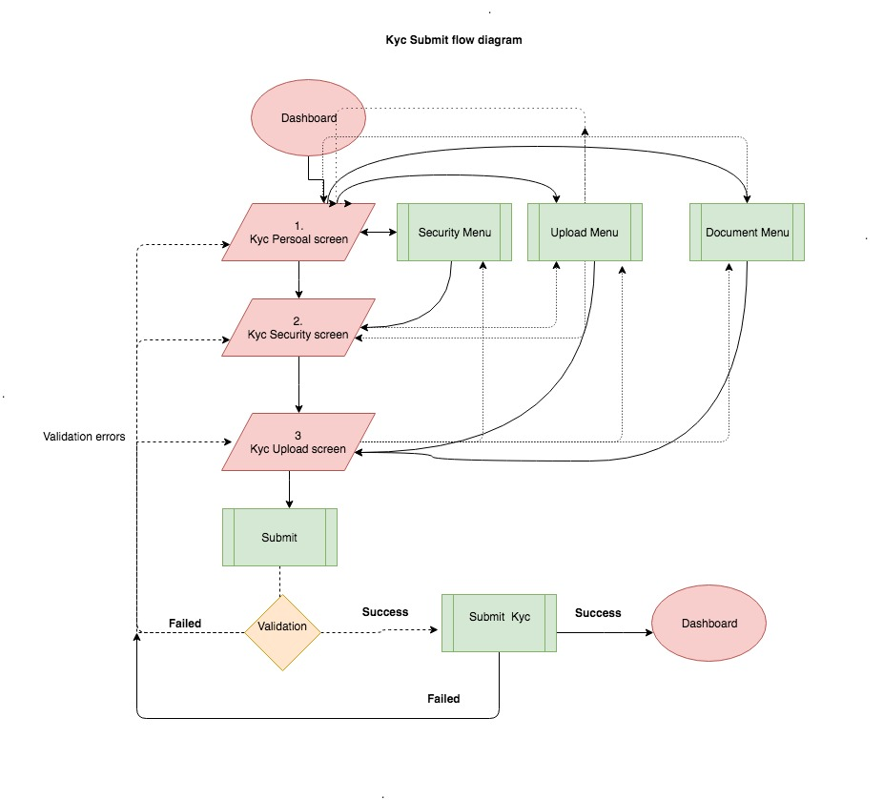

Kyc Submit Process After Penny Test

Auto Refund Module
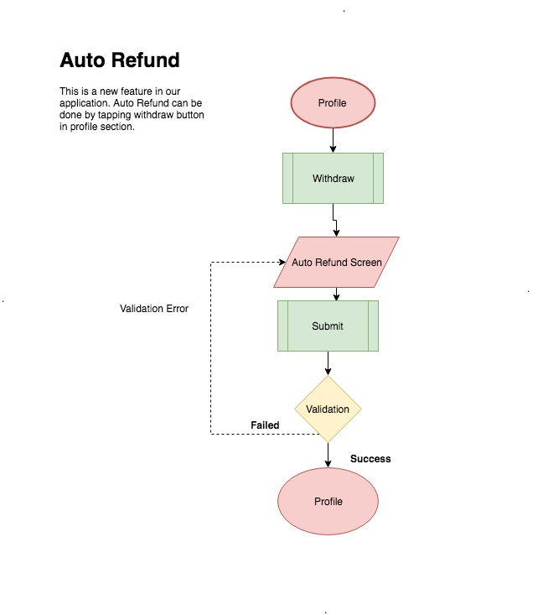
Auto Refund Module
S/No | Activity | Details | Start | End
1 | Planning | Plan and design UI Forms for auto refund process. | 2018-11-26 | 2018-11-26
 |  | API Endpoint (Request/Response Json) planing for auto refund operation.
2 | Development | Develop UI Form to perform Auto Refund operation | 2018-11-27 | 2018-11-29
 |  | Create Network Layer for api integration to perform auto refund operation, which carry out the following operation: - Send auto refund transaction - Perform server side validation - Fetch user related data again after transaction sucessfull.
 |  | Show error correspondingly if validation fails otherwise redirect to dashboard and fetch user related data again to update user balance in dashboard.
3 | Testing (White Box Testing by Developers) | Creat mocked test for following scenario - UI navigation flow - Servier side validation fail resposne - Update user balance after successfull transation - Receipt api - Account validation api UI/UX testing | 2018-11-30 | 2018-11-30

KFTC Module
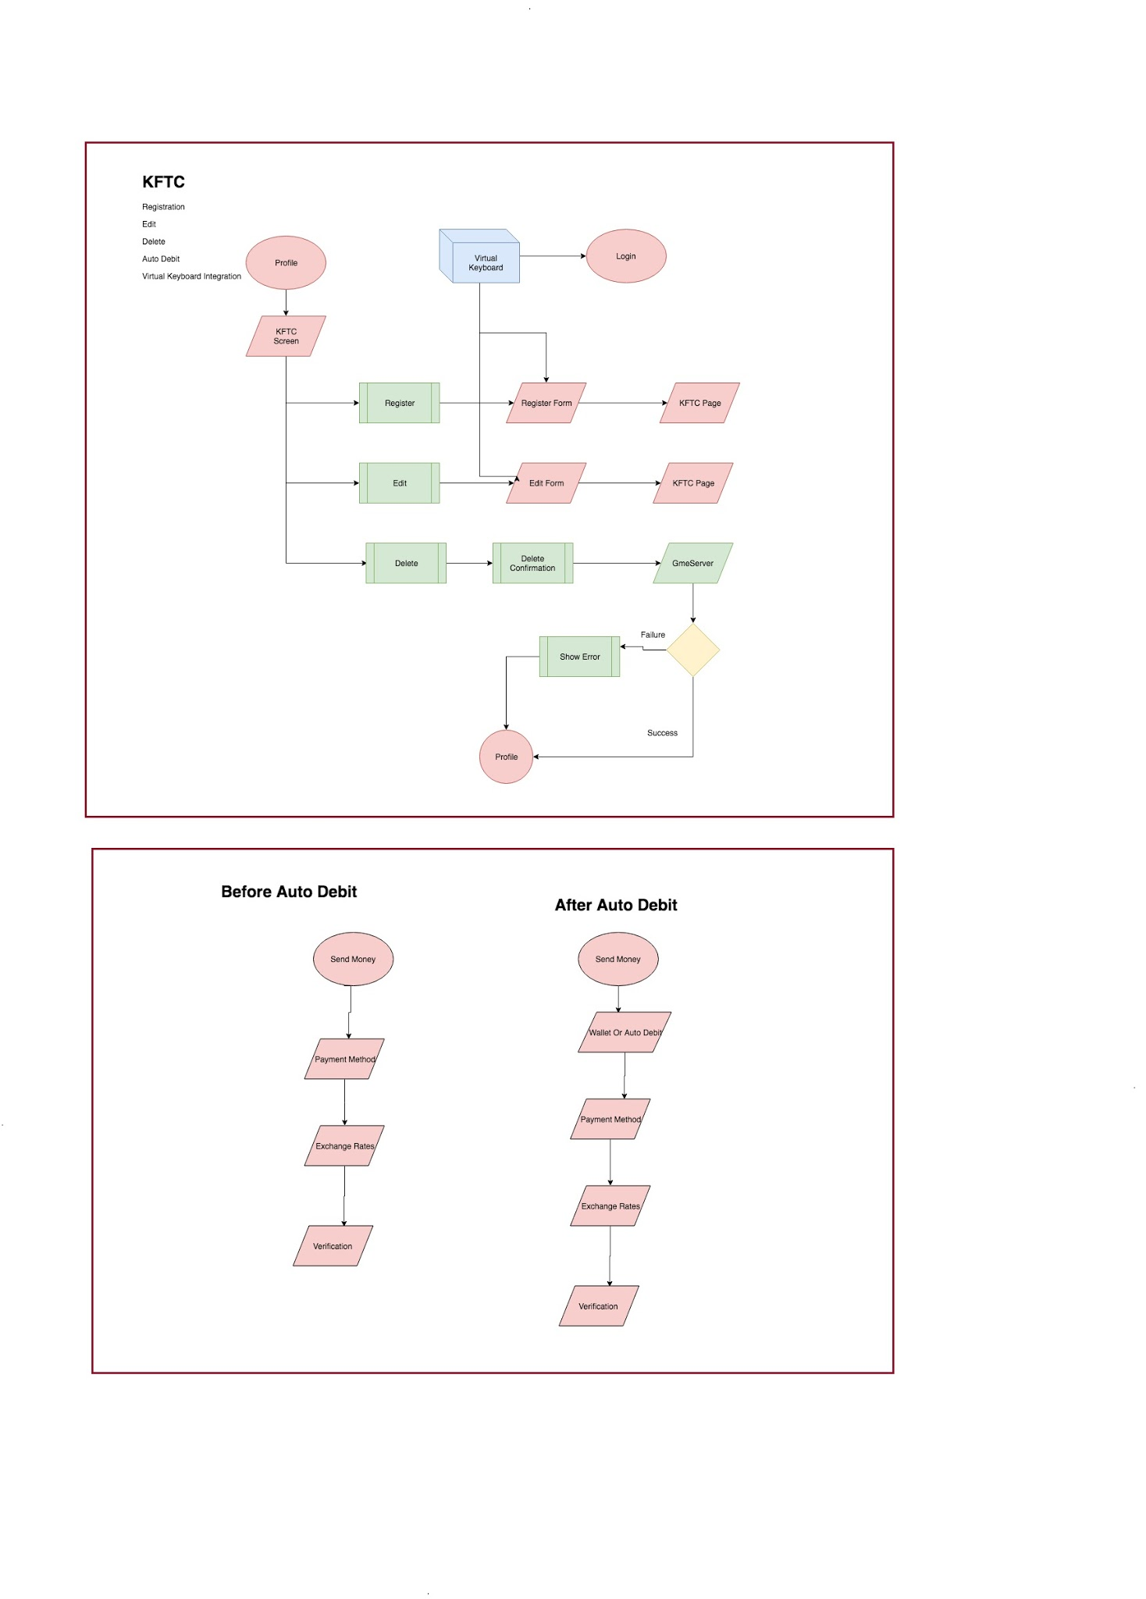
KFTC Module
S/No | Activity | Details | Start | End
1 | Planning | Study the SDK documentation provided by third party for the KFTC integration in the app | 2018-12-03 | 2018-12-05
 |  | Planning UI Forms for Auto Debit account CRUD operation - Form to list all registered auto debits accounts to the user - Form to register new auto debit account to the user - Form to modify/delete existing auto debit account to the user
 |  | Planning UI Forms for Auto Debit transaction operation - R & D for virtual keyboard integration during password prompt for security purpose.
 |  | Reiterate the flow of send money module again
 |  | Planning Integration of KFTC Module as a part of send money transaction
 |  | API Endpoint (Request/Response Json) planning for Auto Debit transaction operation including otp validaiton api.
 |  | API Endpoint (Request/Response Json) planning for Auto Debit CRUD operation - Fetch all Auto Debit accounts registered to the user - Add new auto debit accounts to the user - Modify Existing auto debit accounts registered to the user - Delete the the exsiting auto debit accounts registered to the user
2 | Development | Design and develop UI Form to perform Auto Debit Account CRUD operations: - Show all registered auto debits accounts to the user - Register new auto debit accounts to the user - Modify the existing auto debit account by the user | 2018-12-06 | 2018-12-27
 |  | Revamp the existing send money module to allow user to select auto debit account from their list and perform transaction using either their pin code or password after OTP validation.
 |  | Provide in-app virtual keyboard to mitigate security issue
 |  | Develop Network Layer to carryout the following operation needed for KFTC module - SDK Integration provided by third party - Create API Integration with server for auto debit account CRUD Operation - Add/Register new auto debit account - Modify existing auto debit account - Delete existing auto debit account - Perform API Validation
3 | Testing (White Box Testing by Developers) | Created Mock test for following operation - Payment mode selection api - Ex rate calculator api - Transaction Confirmation api - Receipt api - Account validation api UI/UX testing Send Money overall testing OTP Validation Testing | 2018-12-28 | 2018-12-31

Multi Language
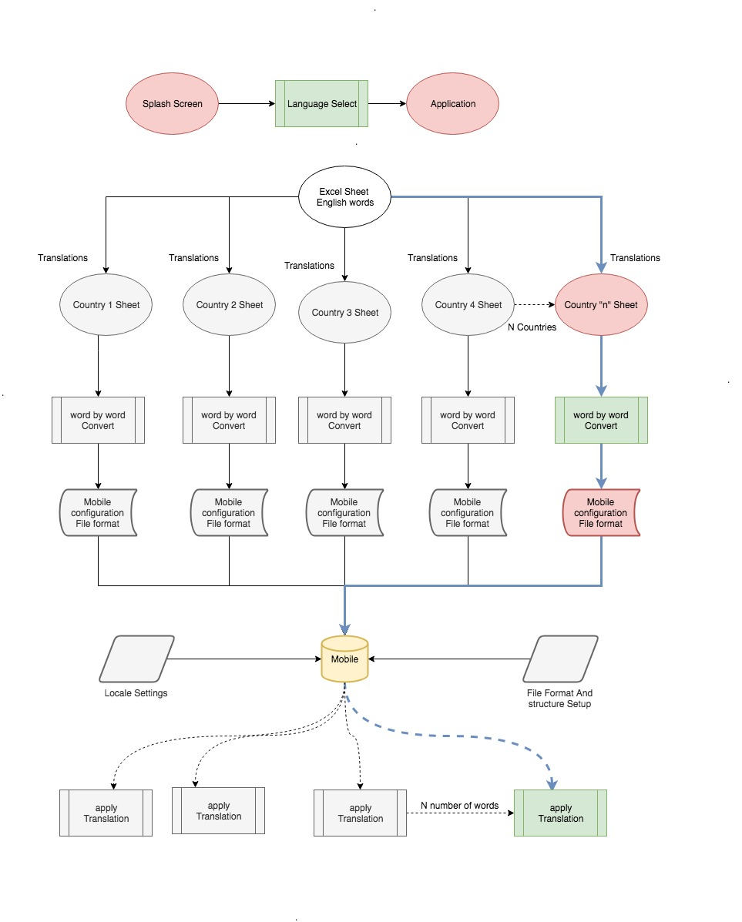
Multi Language Module
S/No | Activity | Details | Start | End
1 | Planning | Revamp Splash screen to accomodate localization | 2018-01-01 | 2019-01-04
 |  | Plan the localization of app
 |  | Sort out all the hardcoded words used within the application. (android and ios)
 |  | Create a list of all word to be translated in the excel sheet and distribute it to all members for translation
2 | Development | Perform Localization: - Refactor existing hardcorded text used in the app. - Provide word by word (1 - n) mapping of each translated word within the app. - Create association of each translated word to the respective view element. - Finally generate Locale configuration that can be changed dynamically. - Select Locale using user native country. Adjust overall app font design to respective to different language | 2019-01-07 | 2019-02-07
 |  | Create UI for user language selection
 |  | Change the flow of splash screen to prompt selection of language
3 | Testing (White Box Testing by Developers) | Mock Localization UI/UX testing Multiple device locale compatiblity testing | 2019-02-08 | 2018-02-11

Push Notifications
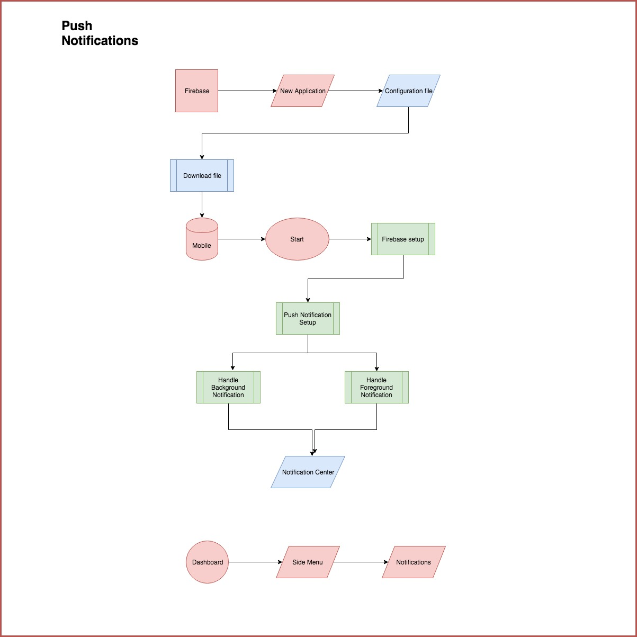
Push Notification Module
S/No | Activity | Details | Start | End
1 | Planning | Plan on integration of Firebase Push Notification system | 2019-02-12 | 2019-02-13
 |  | Plan the flow of in-app notification management.
 |  | Plan and design the custom view for showing in-app notificaiton
 |  | Plan API Endpoint for fetching the history of sent push notification to the user
2 | Development | Integrate Firebase push notification in the app | 2019-02-14 | 2019-02-21
 |  | Integrate Firebase push notification to the GME Remit Server
 |  | Design and develop custom view for displaying in-app notification to the user
 |  | Design and develop UI Form for showing the history of sent push notification to the user
3 | Testing (White Box Testing by Developers) | API Integration testing with Firebase Server and GME Remit Server UI/UX testing of in-app push notification | 2019-02-22 | 2019-02-25

Resend Module
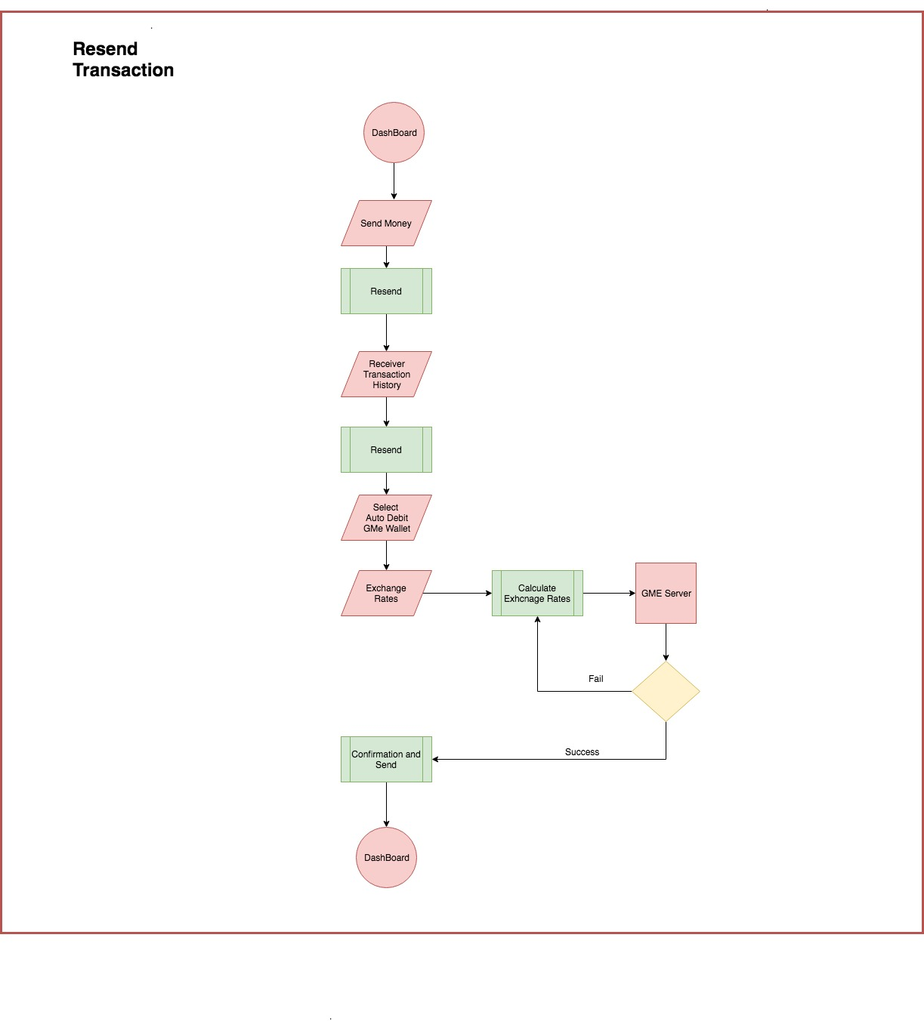
Resend Feature In Send Money Module
S/No | Activity | Details | Start | End
1 | Planning | Plan resend money without breaking existing send money flow | 2019-02-26 | 2019-03-01
 |  | Plan for modification of existing API integration in send money
 |  | Desing new UI form to list transaction history for the accomodation of resend feature in send money
2 | Development | Design and develop UI forms: - Reciever recent transaction history - Exchange Rate calculation page | 2019-03-04 | 2019-03-13
 |  | Integrating to existing send money with auto debit feature
 |  | Design and develop custom view for displaying in-app notification to the user
 |  | Design and develop UI Form for showing the history of sent push notification to the user
3 | Testing (White Box Testing by Developers) | API Integration testing | 2019-03-14 | 2019-03-18

